Sheet1
Job | Processing time |  | Question 4 4. Recall the following parallel machine makespan minimization problem we introduced in the past. There are m machines and n jobs. For job j, we know its processing time is pj. We want to assign each job to a machine so that the makespan, which is the longest total processing time among all machines, is minimized. For example, suppose that we have n = 15 jobs and m = 3 machines. The processing times are listed in Table 1. These data define an instance for the parallel machine makespan minimization problem. While this problem is NP-hard, it is straightforward to consider the following heuristic algorithm. We simply assign each job one by one to a machine. When a job is to be assigned a machine, it is assigned the machine currently with the smallest total processing time (if there is a tie, choose the machine with the smallest machine ID among those machines having the smallest total process time. For example, suppose that we assign jobs to machines in the order the job IDs, from small to large. We will then assign job 1 to machine 1, job 2 to machine 2, job 3 to machine 3, and then job 4 to machine 2 (because at that moment machine 2 has the smallest total processing time, which is 4), and then job 5 to machine 3, ..., and finally job 15 to machine 3. The result of applying the simple heuristic algorithm is in Table 2. The makespan of the simple heuristic algorithm on this instance is 45. Now consider an attempt to improve the above heuristic algorithm. Instead of using job IDs to sort jobs, we instead sort jobs according to their processing times from large to small. When two jobs have the same processing time, we put the one with the smaller job ID in front of the one with the larger job ID. We then apply the same assignment rule (assigning a job to the machine with currently the smallest total processing time) on these jobs one by one according to the predetermined order. In our example, we will first assign job 13 a machine, then job 14,
1 | 7
2 | 4
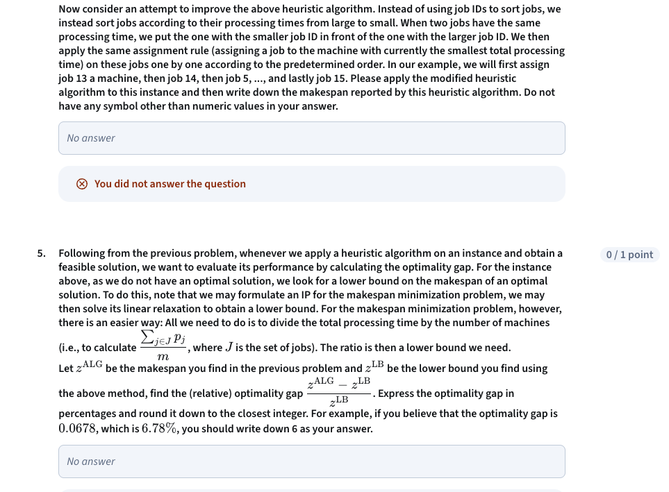
3 | 6
4 | 9
5 | 12
6 | 6
7 | 10
8 | 11
9 | 8
10 | 7
11 | 6
12 | 8
13 | 15
14 | 14
15 | 3

Machine | Jobs assigned to this machine | Total processing time
1 | 1, 6, 7, 10, 13 | 7 + 6 + 10 + 7 + 15 = 45
2 | 2, 4, 8, 11, 14 | 4 + 9 + 11 + 6 + 14 = 44
3 | 3, 5, 9, 12, 15 | 6 + 12 + 8 + 8 + 3 = 37

